Sheet1
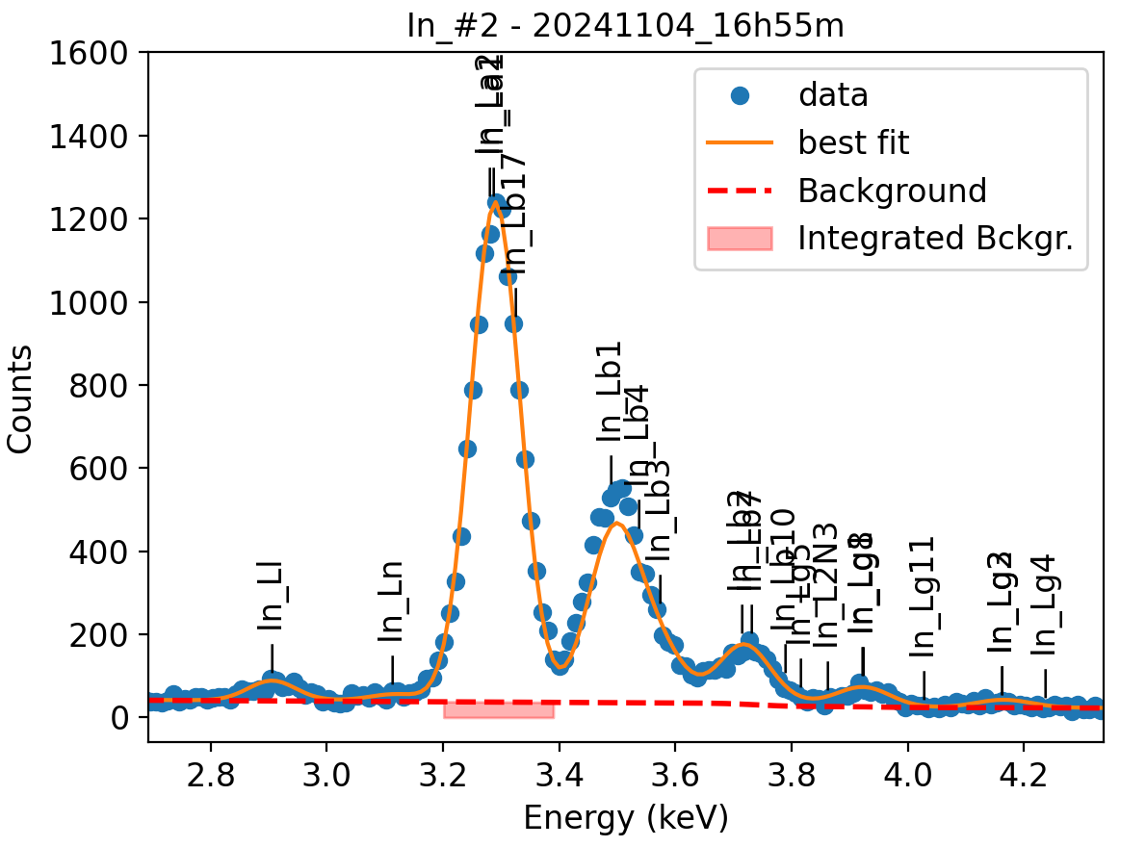
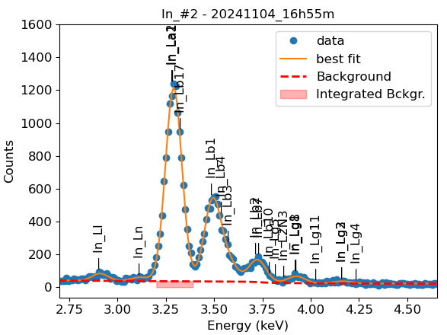
Weights calibrated measuring a pure In standard, bulk, polished |  |  |  |  |  |  |  |  |  |  | Weights unchanged
Area of all peaks is fitted |  |  |  |  |  |  |  |  |  |  | Weights changed
A constant shift is maintained across all peaks
Sigma is fixed for all peaks
Areas of peaks La2, Lb1 and Lg5 are weighted and fixed on original weights because strongly overlapping with La1

In |  | Meas 1 | Meas 2 | Meas 3 | Meas 4 | Meas 5 | Meas 6 | Meas 7 | Meas 8 | Meas 9 | Meas 10
La1 |  | 115.455 | 112.664 | 111.463 | 114.038 | 112.078 | 119.509 | 121.132 | 122.856 | 113.76 | 109.379
Ll |  | 4.579 | 4.289 | 3.81 | 4.503 | 4.743 | 5.187 | 5.515 | 5.289 | 4.347 | 5.028
Ln |  | 1.699 | 2.036 | 1.607 | 2.277 | 1.598 | 2.888 | 2.597 | 2.623 | 2.524 | 2.145
Lb3 |  | 8.146 | 11.813 | 10.024 | 12.166 | 8.378 | 11.042 | 13.181 | 11.16 | 11.438 | 11.052
Lb4 |  | 3.744 | 0.271 | 2.957 | 0 | 4.53 | 1.794 | 0 | 1.235 | 0 | 3.185
Lb1 |  | 53.802 | 53.593 | 52.328 | 54.558 | 51.156 | 57.76 | 57.588 | 57.235 | 54.856 | 48.852
Lb2 |  | 15.351 | 10.106 | 12.206 | 13.016 | 15.1 | 14.441 | 15.784 | 14.244 | 15.628 | 11.421
Lb7 |  | 0.822 | 5.305 | 3.453 | 1.823 | 0.004 | 1.962 | 0.001 | 2.409 | 0 | 3.791
Lb10 |  | 0 | 0.074 | 0 | 0.102 | 0.998 | 0.007 | 0.005 | 0 | 0 | 0
Lg5 |  | 0 | 0.004 | 0 | 0 | 0.008 | 0.246 | 0.706 | 0 | 0.356 | 0
L2N3 |  | 0.32 | 0 | 0 | 0 | 0.352 | 0 | 0.001 | 0.922 | 0 | 0
Lg1 |  | 2.294 | 2.544 | 1.044 | 2.369 | 2.339 | 0.182 | 2.324 | 3.308 | 1.601 | 2.624
Lg8 |  | 1.92 | 2.119 | 4.151 | 2.733 | 2.159 | 4.343 | 2.54 | 1.234 | 3.317 | 2.496
Lg11 |  | 0.366 | 0 | 0 | 0 | 0 | 0 | 0 | 0.113 | 0.027 | 0
Lg2 |  | 0.493 | 0.283 | 0.723 | 0.868 | 0.743 | 0.002 | 0.624 | 0 | 0.61 | 0.243
Lg3 |  | 0.671 | 1.223 | 0.989 | 0.804 | 0.661 | 1.917 | 1.031 | 1.175 | 0.751 | 1.755

Line | Original w | Meas 1 | Meas 2 | Meas 3 | Meas 4 | Meas 5 | Meas 6 | Meas 7 | Meas 8 | Meas 9 | Meas 10 | Mean | Stdev | Er (%)
La1 | 1 | 1.0000 | 1.0000 | 1.0000 | 1.0000 | 1.0000 | 1.0000 | 1.0000 | 1.0000 | 1.0000 | 1.0000 | 1.0000
Ll | 0.0415 | 0.0397 | 0.0381 | 0.0342 | 0.0395 | 0.0423 | 0.0434 | 0.0455 | 0.0431 | 0.0382 | 0.0460 | 0.0410 | 0.0037 | 9.05
Ln | 0.0132 | 0.0147 | 0.0181 | 0.0144 | 0.0200 | 0.0143 | 0.0242 | 0.0214 | 0.0214 | 0.0222 | 0.0196 | 0.0190 | 0.0035 | 18.58
Lb3 | 0.08779 | 0.0706 | 0.1049 | 0.0899 | 0.1067 | 0.0748 | 0.0924 | 0.1088 | 0.0908 | 0.1005 | 0.1010 | 0.0940 | 0.0131 | 13.91
Lb4 | 0.05349 | 0.0324 | 0.0024 | 0.0265 | 0.0000 | 0.0404 | 0.0150 | 0.0000 | 0.0101 | 0.0000 | 0.0291 | 0.0156 | 0.0154 | 98.79
Lb1 | 0.3616 | 0.4660 | 0.4757 | 0.4695 | 0.4784 | 0.4564 | 0.4833 | 0.4754 | 0.4659 | 0.4822 | 0.4466 | 0.4699 | 0.0117 | 2.48
Lb1 + Lb3 + Lb4 | 0.5029 | 0.5690 | 0.5829 | 0.5859 | 0.5851 | 0.5716 | 0.5907 | 0.5842 | 0.5668 | 0.5828 | 0.5768 | 0.5796 | 0.0081 | 1.39
Lb2 | 0.1371 | 0.1330 | 0.0897 | 0.1095 | 0.1141 | 0.1347 | 0.1208 | 0.1303 | 0.1159 | 0.1374 | 0.1044 | 0.1190 | 0.0153 | 12.85
Lb7 | 0.0004 | 0.0071 | 0.0471 | 0.0310 | 0.0160 | 0.0000 | 0.0164 | 0.0000 | 0.0196 | 0.0000 | 0.0347 | 0.0172 | 0.0163 | 94.67
Lb2 + Lb7 | 0.1375 | 0.1401 | 0.1368 | 0.1405 | 0.1301 | 0.1348 | 0.1373 | 0.1303 | 0.1355 | 0.1374 | 0.1391 | 0.1362 | 0.0036 | 2.67
Lb10 | 0.0054 | 0.0000 | 0.0007 | 0.0000 | 0.0009 | 0.0089 | 0.0001 | 0.0000 | 0.0000 | 0.0000 | 0.0000 | 0.0011 | 0.0028 | 263.04
Lg5 | 0.0027 | 0.0000 | 0.0000 | 0.0000 | 0.0000 | 0.0001 | 0.0021 | 0.0058 | 0.0000 | 0.0031 | 0.0000 | 0.0011 | 0.0020 | 178.89
L2N3 | 0.0027 | 0.0028 | 0.0000 | 0.0000 | 0.0000 | 0.0031 | 0.0000 | 0.0000 | 0.0075 | 0.0000 | 0.0000 | 0.0013 | 0.0025 | 185.54
Lb10 + Lg5 + L2N3 | 0.0108 | 0.0028 | 0.0007 | 0.0000 | 0.0009 | 0.0121 | 0.0021 | 0.0059 | 0.0075 | 0.0031 | 0.0000 | 0.0035 | 0.0039 | 111.42
Lg1 | 0.04535 | 0.0199 | 0.0226 | 0.0094 | 0.0208 | 0.0209 | 0.0015 | 0.0192 | 0.0269 | 0.0141 | 0.0240 | 0.0179 | 0.0076 | 42.38
Lg8 | 0.0003 | 0.0166 | 0.0188 | 0.0372 | 0.0240 | 0.0193 | 0.0363 | 0.0210 | 0.0100 | 0.0292 | 0.0228 | 0.0235 | 0.0086 | 36.43
Lg1 + Lg8 | 0.0457 | 0.0365 | 0.0414 | 0.0466 | 0.0447 | 0.0401 | 0.0379 | 0.0402 | 0.0370 | 0.0432 | 0.0468 | 0.0414 | 0.0038 | 9.18
Lg11 | 0.0002 | 0.0032 | 0.0000 | 0.0000 | 0.0000 | 0.0000 | 0.0000 | 0.0000 | 0.0009 | 0.0002 | 0.0000 | 0.0004 | 0.0010 | 232.11
Lg2 | 0.00105 | 0.0043 | 0.0025 | 0.0065 | 0.0076 | 0.0066 | 0.0000 | 0.0052 | 0.0000 | 0.0054 | 0.0022 | 0.0040 | 0.0027 | 67.58
Lg3 | 0.0177 | 0.0058 | 0.0109 | 0.0089 | 0.0071 | 0.0059 | 0.0160 | 0.0085 | 0.0096 | 0.0066 | 0.0160 | 0.0095 | 0.0038 | 39.87
Lg2 + Lg3 | 0.0188 | 0.0101 | 0.0134 | 0.0154 | 0.0147 | 0.0125 | 0.0161 | 0.0137 | 0.0096 | 0.0120 | 0.0183 | 0.0136 | 0.0027 | 19.77

Fits whose peak areas vary, but whose sum is almost cosntant:
So we use the original ratios to diustribute the sum among the 2 peaks, giving:

Lb1 + Lb3 + Lb4 | Lb1 | Lb3 | Lb4 | Sum
Original ratio | 0.7191 | 0.1746 | 0.1064 | 1.0000
Resulting weights: | 0.4168 | 0.1012 | 0.0616 | 0.5796

Lg2 + Lg3 | Lg2 | Lg3 | Sum
Original ratio | 0.0560 | 0.9440 | 1.0000
Resulting weights: | 0.0008 | 0.0128 | 0.0136 |  | In this case we leave Lg2 unchanged anf change Lg3 accordingly |  |  |  |  | Lg3: | 0.0125

 |  | Without fixing the peaks above: |  |  |  |  |  |  |  |  | Fixing the peaks:

